cost claim
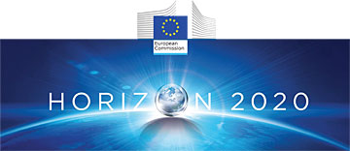

NEREID 685559
Date of event: June 14th-15th, 2018
participation to GENERAL WORKSHOP 3
Location of the meeting:
Hotel Pullman Timi Ama, viale dei Ginepri 3, Villasimius, Sardegna
Presentation of project and objectives. Meeting with partners of the consortium. Contribution to tasks cross-discussions.
BENEFICIARY

 | DECLARATION OF COSTS
Duration |  | day
 |  | EURO
Low cost TRAVEL
Air ticket
train
bus

TRAVEL TOTAL |  | 0.00
Expenses to be reimbursed within the maximum limit of 500,00 EUR. |  | #REF!

By signing this document the organisation or individual participant certifies that the costs declared are directly related to the activity above mentionned.
All indicated expenses are proved by original supporting documents/bills/tickets/receipts.
exchange rate: please use official Euro exchange rate of the European Central Bank on
http://ec.europa.eu/budget/contracts_grants/info_contracts/inforeuro/index_fr.cfm

Date:

Visa from organisation:

